1. Title Page
[Instacart Basket Analysis]

Project Name: Instacart Basket Analysis
Date:4th April 2025
Analyst Name: Supriya Shrotriya

Contents:
Population Flow
Consistency checks
Wrangling steps
Column derivations
Visualizations
Recommendations

Citation: “The Instacart Online Grocery Shopping Dataset 2017”, Accessed from https://www.instacart.com/datasets/grocery-shopping-2017 on 31/10/2022.
Note: Instacart is a real company that’s made their data available online. The contents of this project and data sets have been fabricated for learning purposes.

2. Population Flow
 |  |  | Title page

Population flow

Exclusion flag
Condition: max_order < 5
Obervations to be removed: 1440045
Final total count of order_products_all: 30964564

Orders_products_combined
Orders_products_merged
Orders_products_all

Total:
Total:
Total:
32,434,489 | 32,404,859 | 30,964,564

1.) The grey boxes in the first row of the population flow represent the original data sets as they were when you downloaded them. In the Total fields you need to add the count of the rows when you imported the data set into Jupyter.
2.) The second row of boxes (coloured) represents the data sets after you manipulated them, e.g., removed missing values and duplicates. In the Total fields you need to add the count of the rows after conducting these operations. This offers a visual oveview of how the data flows throughout the data consistency checks.
3.) The third row, where also the arrows are coloured, represents the merges you performed between the datasets. In the Total fields you need to add the count of the rows in the merged datasets, so that you end up with the final dataset (in the red box). Keep in mind the final dataset should be without exclusions (based on the exclusion flag).

3. Consistency checks
 |  |  |  | Title page
Consistency checks

Dataset | Missing values | Missing values treatment | Duplicates
orders | 206209 missing values within days_since_prior_order column | Created a new variable that acts like a flag based on the missing value. I did this by creating a new column under the heading 'first_time_customers' and defining the output as true and false depending on the column of 'days_since_prior_order'. | No duplicates found
products | 16 missing values within product_name column | Created a new dataframe that doesn't include the duplicates we used to identify with the drop_duplicates () function | 5 Duplicates Deleted
orders_products_prior | No missing values | Not required | None found
customers | first_name 11,259 missing values | Not required | None found

4. Wrangling steps
 |  |  |  |  | Title page
Wrangling steps

Data Set | Columns dropped | Columns renamed | Columns' type changed | Comment/Reason
orders | orders -eval_set |  |  | Removed as we don't need this for analysis
 |  |  | first_time_customers | Added this based on the value from the column (days_since_prior_order)
 |  | orders_dow to orders_day_of_week |  | Renamed for ease of readability
 |  |  | Order_id | Data type changed from numeric to string
 |  |  | user_id | Data type changed from numeric to string
order_products_merged |  |  | Column added -Price_range_ loc | Added this column based on conditions from the column 'prices'
 |  |  | Busiest day | Added this column based on conditions from the column 'orders_day_of_week'
 |  |  | Busiest days | Added this column based on conditions from the column 'orders_day_of_week'
 |  |  | Busiest_period_of_day | Added this column. The value for this column is based on the column from orders_time_of_day
 |  | First Name to first_name | first_name | Used lower case for consistency Changed data type from mix to string
 |  | Surnam to surname |  | Fixed typo and used lower case for consistency
 |  | Gender to gender |  | Used lower case for consistency
 |  | STATE to state |  | Used lower case for consistency
 |  | Age to age | age | Used lower case for consistency Reduced data type in numeric (from int64 to int8 )
 |  | n_dependants to number_of_dependents | number_of_dependents | Made this more clear by using full form Reduced data type in numeric (from int64 to int8 )
 |  | fam_status to marital_status |  | Changed to make it more standardized
 |  |  | user_id | Data type changed from numeric (int64) to string as df is merged on this variable and it is the key identifier
 |  |  | income | Reduced data type in numeric (from int64 to int32 )
departments_wrangled | department |  |  | Changed columns from wide format to long format (transposed) and added index

5. Column derivations
 |  |  |  | Title page

Column derivations and aggregations

In this tab you should add tables below that the frequences of flags/label variables that you produced after deriving them. NB: don't do this for continuous variables, only for flags.
Dataset | New column | Column/s it was derived from | Conditions
ords_prods_merge | price_range_loc | prices | High_range product: >15 Mid-Range Product: >5 & <=15 Low-Range Product: <5
ords_prods_merge | Busiest_day | orders_days_of_week | Busiest days: Saturday, Sunday Regularly Busy: Wednesday, Thursday, Friday 0 refers to Saturday in dataframe
ords_prods_merge | busiest_period_of_day | order_time_hour_of_day | Most orders: [10, 11, 14, 15, 13, 12, 16, 9] Average orders: [17, 8, 18, 19, 20, 7, 21, 22] Fewest orders: [23, 6, 0, 1, 5, 2, 4, 3]
ords_prods_merge | max_order | order_number | Max count of orders per user
ords_prods_merge | loyalty_flag | max_order | Loyal customer >=40 Regular customer >10 & <40 New customer <=10
ords_prods_merge | spender_type | Avg_spent | High Spender: =>10 Low Spender: <10
ords_prods_merge | frequency_flag | median_order_frequency | Frequent customer: <=10 Regular customer: >10 & <=20 Non-Frequent customer: >20
customer_ords_prods | activity_customer_level | max_order | Low-activity Customer: <5 orders High-activity Customer: >=5 orders
customer_ords_prods | age_group | Age | Young Adults (>25) Adult (25-40) Middle aged (40-65) Senior Citizens (65+)
customer_ords_prods | Income_bracket | Income | Low Income Customer: < 67292 Middle Income Customer >=96760& < 128102 High Income Customer >=128102
customer_ords_prods | parent_status | n_dependants | no dependents: <1dependents Has dependents >=1 dependents
customer_ords_prods | department_name | department | 1: frozen 2: other 3: bakery 4: produce 5: alcohol 6: international 7: beverages 8: pets 9: dry goods pasta 10: bulk 11: personal care 12: meat seafood 13: pantry 14: breakfast 15: canned goods 16: dairy eggs 17: household 18: babies 19: snacks 20: deli 21: missing
customer_ords_prods | day_of_week | orders_day_of_week | 0: Saturday 1: Sunday 2: Monday 3: Tuesday 4: Wednesday 5: Thursday 6: Friday
 | region | state | Created a new column 'region' with the following four regions: * Northeast = ['Maine','New Hampshire','Vermont','Massachusetts','Rhode Island','Connecticut','New York','Pennsylvania','New Jersey'] * Midwest = ['Wisconsin','Michigan','Illinois','Indiana','Ohio','North Dakota','South Dakota','Nebraska','Kansas','Minnesota','Iowa','Missouri'] * South = ['Delaware','Maryland','District of Columbia','Virginia','West Virginia','North Carolina','South Carolina','Georgia','Florida','Kentucky','Tennessee','Mississippi','Alabama','Oklahoma','Texas','Arkansas','Louisiana'] * West = ['Idaho','Montana','Wyoming','Nevada','Utah','Colorado','Arizona','New Mexico','Alaska','Washington','Oregon','California','Hawaii']
 | age_group | age | Created a new column with the four age groups: Young Adults (>25) Adult (25-40) Middle aged (40-65) Senior Citizens (65+)
instacart_final | income_group | income | Created a new columb with the following: Low Income Customer: < 67292 Middle Income Customer >=96760& < 128102 High Income Customer >=128102
 | dependents_flag | number_of_dependents | Create a new column for: * Has dependents (1 or more) * No dependents (0)
 | baby_flag | babies | Created a new column showing if a customer has purchased baby items or not
 | pet_flag | pet_flag | Created a new column showing if a customer has purchased pet items or not

6. Visualizations
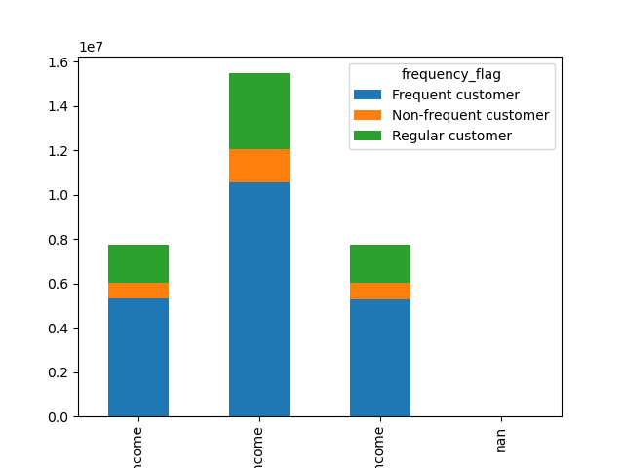
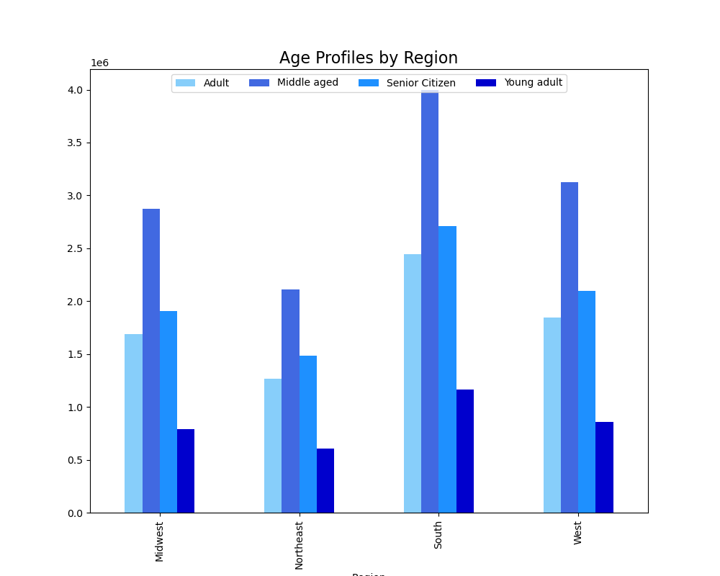
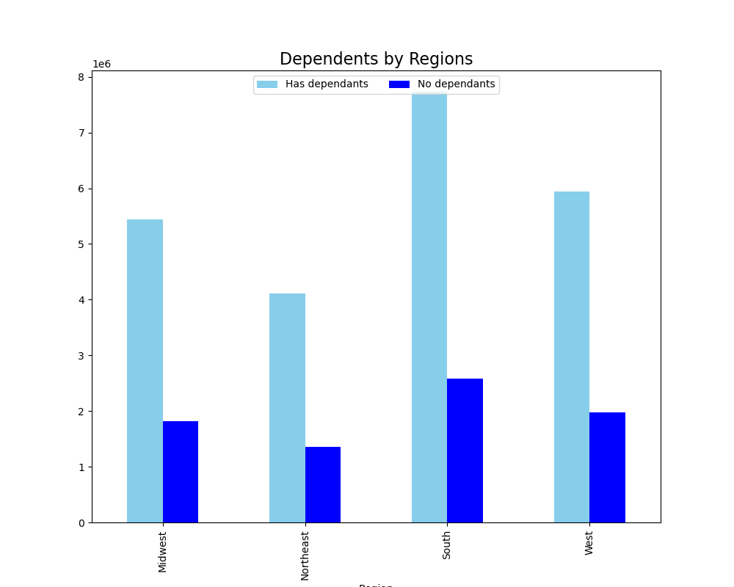
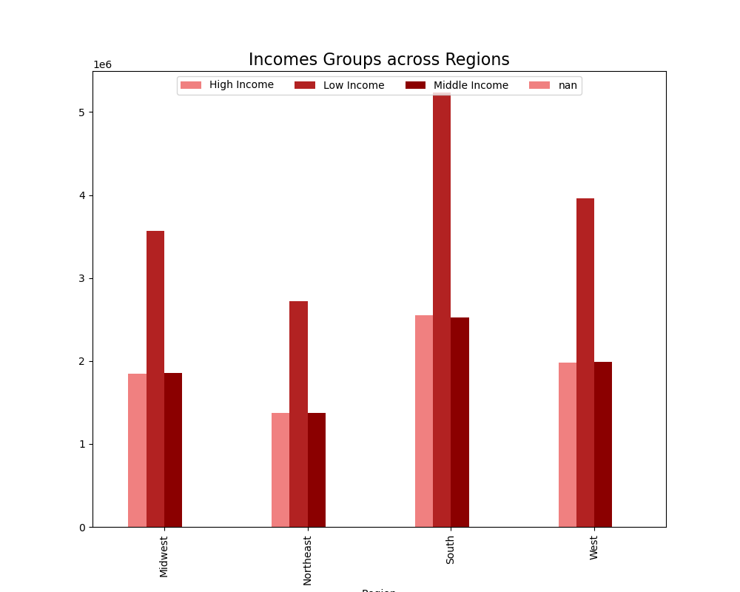
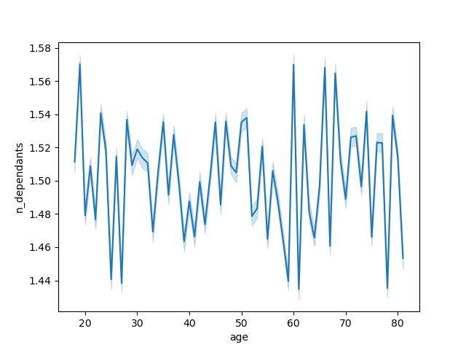
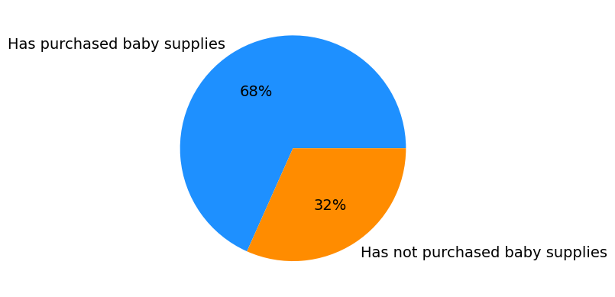
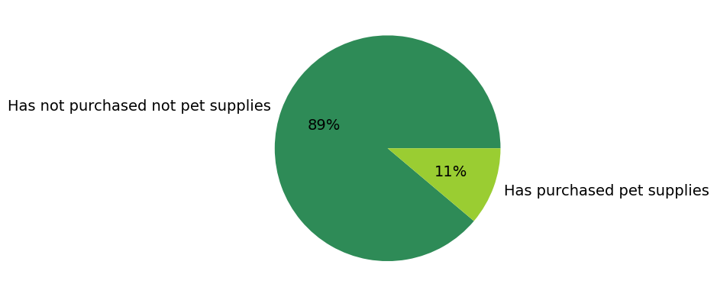 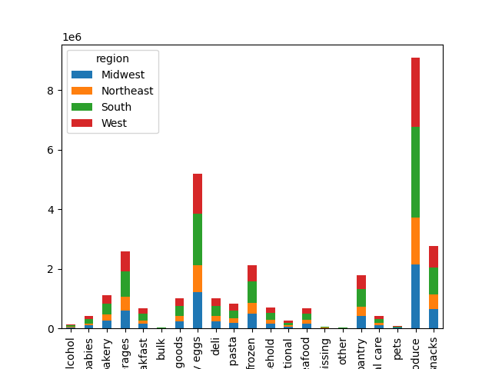

 |  |  | Title page

Visualisations

In this tab you should include all the visualtions from Exercises 4.9 and 4.10, alongside the questions from the project brief that they answer. Include any commentary on the relationship between different variables.

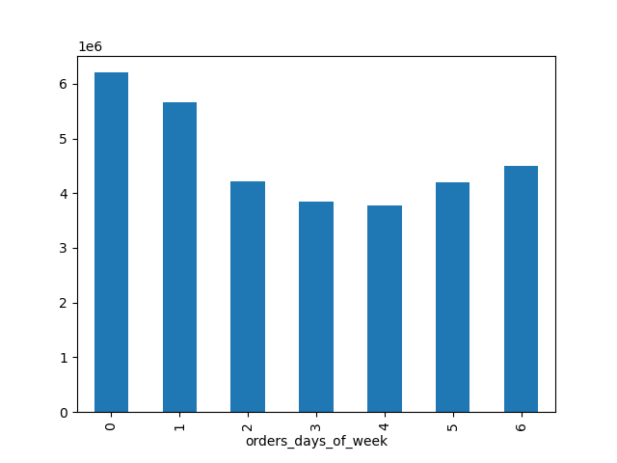

Key:
0 - Saturday, 1- Sunday, 2 - Monday, 3- Tuesday, 4 - Wednesday, 5 - Thursday, 6 - Friday

 |  | The sales team needs to know what the busiest time of the day in order to schedule ads at times when there are fewer orders. Busiest time of day In this visualization, we continue to see sales behavior across the day Most of the orders are placed between 10 and 11 am, with busy times followed till 5 pm after which it decreases through the night.

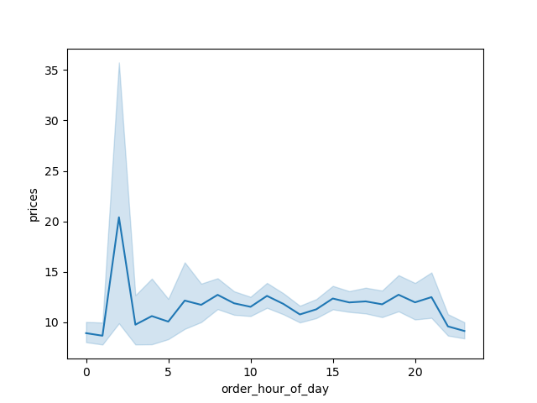



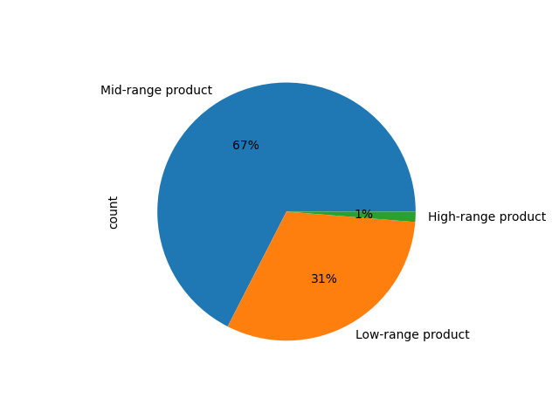

Price ranged groups for products have been defined as follows:
- Price > 15 : High-range products
- Price > 5 and price <= 15 : Mid-range product
- Price <= 5 : Low-range product

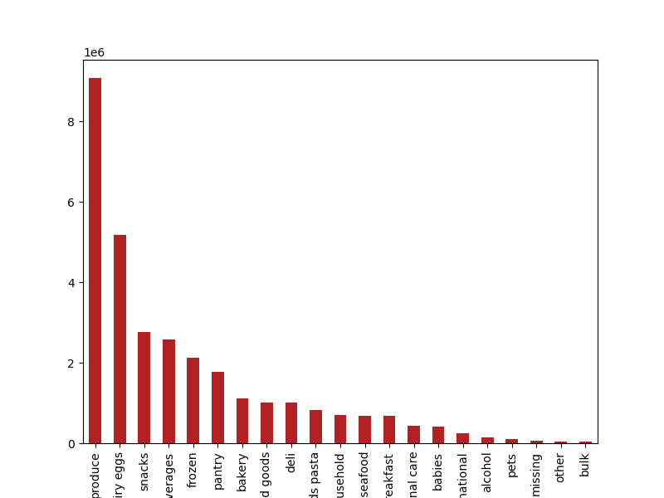

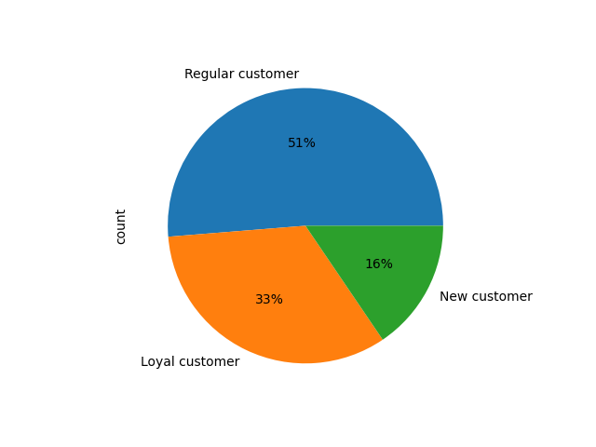

Brand loyalty groups have been defined as follows:
- Max order > 40 : Loyal customer
- Max order <= 40 & Max order > 10 : Regular customer
- Max order <= 10 : New customer

7. Recommendations
 |  |  | Title page

Recommendations

In this tab you should include any recommendations you would made to Instcart in terms of their marketing strategy based on the questions posed in the brief. Every key question has been covered in the Tasks of the Exercises - here you need to add an item - a visualisation or table/crosstable that is showing the answer in the data, acompanied by a comment from you. Please, list the questions below and add the answer underneath.

Question | Answer | Recommendations/Insights
The sales team needs to know what the busiest days of the week and hours of the day are (i.e., the days and times with the most orders) in order to schedule ads at times when there are fewer orders. | The busiest days of the week are Sunday and Sunday. The busiest hours of the day are between 10 am to 4pm. | Peak activity on weekends: Most orders occur on Saturday and Sunday, suggesting that customers prefer to shop during the weekend when they likely have more free time. Drop during weekdays: There is a decline in order activity from Monday through midweek, indicating less engagement likely due to work or school schedules.Orders start to increase again by Friday, possibly as customers begin to prepare for the upcoming weekend. Run advertisements during low-traffic days like midweek eg Late Evenings (Post 6 PM on any day)to capture late-night browsers or shoppers who missed daytime deals.
They also want to know whether there are particular times of the day when people spend the most money, as this might inform the type of products they advertise at these times. | Most expensive products are purchased bwtween 3-7 am. | Place ads or offers for expensive products from 3am - 7 am as that is the time when the most expensive items are purchased. Like :Schedule personalized email campaigns with premium deals in the early morning. Consider offering limited-time early morning discounts for high-value items to drive even more sales.
Instacart has a lot of products with different price tags. Marketing and sales want to use simpler price range groupings to help direct their efforts. | Most of the products are priced between $1 and $15, while a few are higher priced at $15 to $25. Recommended price buckets: * Price > 15 : High-range products * Price > 5 and price <= 15 : Mid-range product * Price <= 5 : Low-range product | This suggests that while affordable items dominate the market, there are still some premium or bulk products purchased occasionally.This allowed further identification that the mid-range product is the most popular for Instacart. Or, products that range between $5 to $15. When generating specials, Instacart can focus on promoting these mid-range products in order to drive more sales. Focus promotions on mid- and low-range products, as these make up the majority of the catalog and likely attract the largest portion of customers. Price-sensitive customers are more likely to respond positively to discounts or bundle deals in these ranges.
Are there certain types of products that are more popular than others? The marketing and sales teams want to know which departments have the highest frequency of product orders. | The top 5 departments that generate the most income are 1. Produce 2. Dairy eggs 3. Snacks 4. Beverages 5. Frozen | The produce department is by far, the most profitable department. This can speak into the mindset of the customer. Customers are looking for every day mid range items from the pantry, that ispriced between $5-$15. Running ads and offering loyalty rewards at the right time based on when customers usually shop can help increase sales and encourage them to buy again from these popular departments.
What’s the distribution among users in regards to their brand loyalty (i.e., how often do they return to Instacart)? | Most of the customers are regular customers, meaning that their maximum order falls in the value between $40 and greater than $10. | Recommended action: hey could offer discounts or loyalty points for purchases to encourage higher spending. Personalized offers based on their buying habits can also boost sales and repeat purchases.
Are there differences in ordering habits based on a customer’s region? | Customers who are middle aged adults with middle income are the most frequent customers of Instacart. Young adults are the least frequenct customers. Therefore, Instacart should focus on advertising mid-range products to adult and senior customers. | The South has the most customers in all three age groups followed by the West, then the Midwest and lastly the Northeast. The majority of the customers buy mid-range products followed by low-range products and purchase high-range products the least in all four regions. Since the South and West have the largest customer bases, focusing more promotions and regional campaigns there can yield higher returns. Given the strong preference for mid- and low-range products across all regions, marketing efforts should promote value deals, and affordability, while using targeted campaign to slowly build interest in high-range products.
What different classifications does the demographic information suggest? Age? Income? Certain types of goods? Family status? | Age and income have a positive relationship so we can safely assume that spending power increases with age.We have also observed that the most frequenct orders are from middle aged customers having the highest no of dependants. | Marketing should prioritize middle-aged customers, as they place frequent orders, likely driven by larger household needs. Campaigns highlighting value, family-oriented offers, and convenience can strongly appeal to this group. Loyalty programs and personalized offers increase repetation and drive even more frequent purchases. Like :Customers from the middle income group who have dependents and frequently purchase baby supplies are more likely to respond positively to promotions on baby products.

